Apr
Circle the desired lunch option
APRIL 2018
SUNDAY | MONDAY | TUESDAY | WEDNESDAY | THURSDAY | FRIDAY | SATURDAY
2018-04-01 | 2018-04-02 | 2018-04-03 | 2018-04-04 | 2018-04-05 | 2018-04-06 | 2018-04-07
 | Meatballs w/Garlic Bread | Grilled Cheese w/Fries or Mini Cheesesteak w/Fries | Chicken Fingers w/Fries or Chicken Salad Wrap | Mac and Cheese w/Garlic Bread or Cheeseburger w/Fries | Pizza |  | 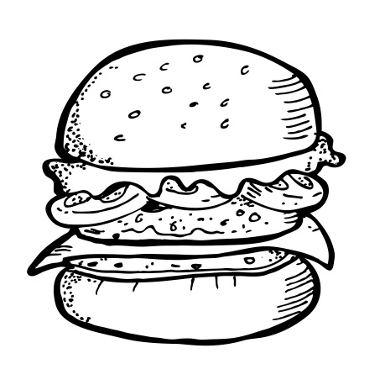
2018-04-08 | 2018-04-09 | 2018-04-10 | 2018-04-11 | 2018-04-12 | 2018-04-13 | 2018-04-14
All entrees are served with a vegetable, fruit, and milk.
$5 per Lunch
 | Penne Pasta w/Garlic Bread Butter or Marinara | Grilled Cheese w/Fries or Mini Cheesesteak w/Fries | Chicken Fingers w/Fries or Chicken Salad Wrap | Mac and Cheese w/Garlic Bread or Cheeseburger w/Fries | Pizza
2018-04-15 | 2018-04-16 | 2018-04-17 | 2018-04-18 | 2018-04-19 | 2018-04-20 | 2018-04-21
 | Meatballs w/Garlic Bread | Grilled Cheese w/Fries or Mini Cheesesteak w/Fries | Chicken Fingers w/Fries or Chicken Salad Wrap | Mac and Cheese w/Garlic Bread or Cheeseburger w/Fries | Pizza
2018-04-22 | 2018-04-23 | 2018-04-24 | 2018-04-25 | 2018-04-26 | 2018-04-27 | 2018-04-28
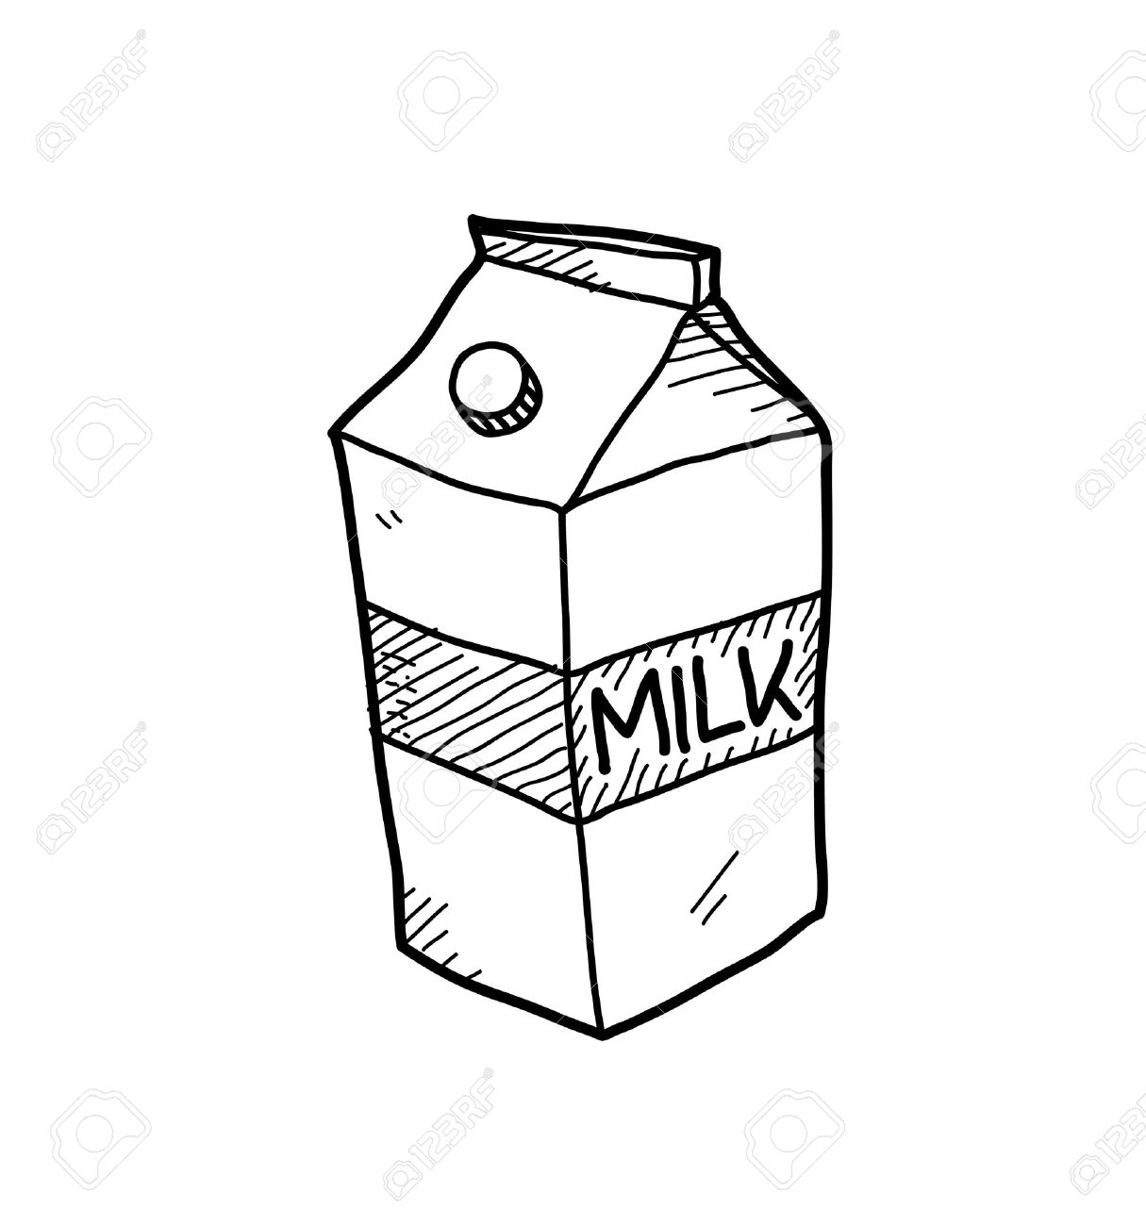
 | Penne Pasta w/Garlic Bread Butter or Marinara | Grilled Cheese w/Fries or Mini Cheesesteak w/Fries | Chicken Fingers w/Fries or Chicken Salad Wrap | Mac and Cheese w/Garlic Bread or Cheeseburger w/Fries | Pizza
2018-04-29 | 2018-04-30 | 1900-01-01 | 1900-01-02 | 1900-01-03 | 1900-01-04 | 1900-01-05

 |  | Student Name ___________________________________ Teacher Name ___________________________________

